Info Guide
The following template will allow PlayHQ Admins to preview a fixture before using the fixture wizard Each template is a double round robin fixture based on the number of teams allocated to the grade. Each excel tab is a template for the amount of teams listed.

Seed Pairings ensures that teams who share the same home ground are on alternate venues each round, this avoids fixture clashes. For Example: Both Team A and Team B share the same home ground, In a 8 Team fixture Team A would be assigned Seed 1 Team B would be assigned Seed 2 On each of the Fixture Templates, you'll notice the fixture pairs listed.

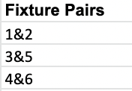

Enter the team names next to the desired seed number, you'll notice this automatically fills in the fixture with teams.

Once you've decided on your fixture, go ahead and replicate the seed ordering within PlayHQ before generating a fixture.

